Chassis no.
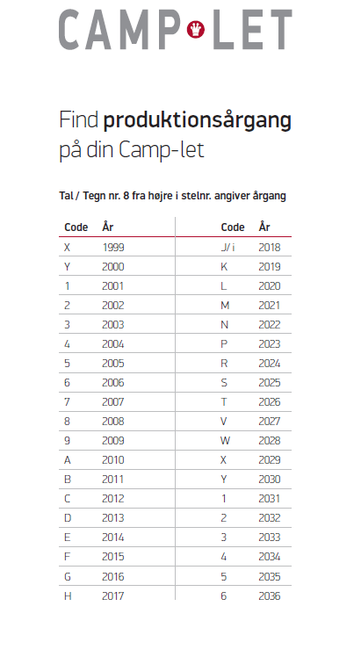
Chassis Numbers:
UHxxxxxCRY = 2000
UHxxxxxCR1 = 2001
UHxxxxxCR2 = 2002
UHxxxxxCR3 = 2003
UHxxxxxCR4 = 2004
UHxxxxxCR5 = 2005
UHxxxxxCR6 = 2006
UHxxxxxCR7 = 2007
UHxxxxxCR8 = 2008
UHxxxxxCR9 = 2009
UHxxxxxCRA = 2010
UHxxxxxCRB = 2011
UHxxxxxCRC = 2012
UHxxxxxCRD = 2013
UHxxxxxCRE = 2014
UHxxxxxCRF = 2015
UHxxxxxCRG = 2016
UHxxxxxCRH = 2017

